BTAP
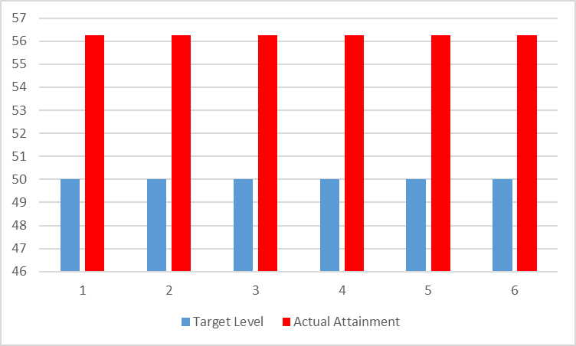
SUBJECT NAME: Building Technology and Architectural Planning
BRANCH/ DEPARTMENT:Civil
COLLEGE NAME: S B PATIL COLLEGE OF ENGINEERING, INDAPUR
COURSE OUTCOMES
CO1 | Identify types of building and basic requirements of building components
CO2 | Make use of Architectural Principles and Building byelaws for building construction
CO3 | Plan effectively various types of Residential Building forms according to their utility, functions with reference to National Building Code
CO4 | Plan effectively various types of Public Buildings according to their utility functions with reference to National Building Code.
CO5 | Make use of Principles of Planning in Town Planning, Different Villages and Safety aspects
CO6 | Understand different services and safety aspects

Mapping of CO's and Tools :-
COs/Tools |  | Internal Assessment (20) | Theory Examination (100) | Internal Term Work/ Tutorial (50) | Practical Oral Examination (25/50) | Additional tool if any
CO1 | Identify types of building and basic requirements of building components | Y | Y | Y |  | _
CO2 | Make use of Architectural Principles and Building byelaws for building construction | Y | Y | Y
CO3 | Plan effectively various types of Residential Building forms according to their utility, functions with reference to National Building Code | y | Y | Y
CO4 | Plan effectively various types of Public Buildings according to their utility functions with reference to National Building Code. | Y | Y | Y
CO5 | Make use of Principles of Planning in Town Planning, Different Villages and Safety aspects | Y | Y | Y
CO6 | Understand different services and safety aspects | Y | y | y

SrNO | Student Name | Internal Assessment (20) | Theory Examination (100) | Internal Term Work/ Tutorial (25) | Practical Oral Examination (25/50) | Additional tool if any
S19075001 | BANSODE ABHIJIT PRAKASH | 18 | 58 | 35
S19075002 | BASATE ONKAR SANTOSH | 18 | 84 | 35
S19075003 | BHALERAV AKSHAY SAMBHAJI | 17 | 59 | 36
S19075004 | BHISE ROHIT NANA | 15 | 74 | 35
S19075005 | BORADE YASHRAJ MOHAN | 18 | 69 | 39
S19075006 | CHAVAN PRASAD RAMLING | 17 | 70 | 38
S19075007 | CHAVAN ROHIT NAVANATH | 16 | 71 | 39
S19075008 | CHIKANE VISHAL SHANKAR | 13 | 80 | 38
S19075009 | CHOUDHARI SAMADHAN SHASHIKANT | 14 | 76 | 37
S19075011 | DEOKAR OMKAR HANUMANT | 15 | 87 | 35
S19075012 | DEOKATE HANUMANT NARAYAN | 19 | 73 | 40
S19075013 | DESHMUKH AKASH GORAKH | 15 | 66 | 36
S19075015 | DHOLE RUSHIKESH POPAT | 17 | 79 | 40
S19075016 | DONGARE YOGIRAJ ANNA | 17 | 74 | 35
S19075017 | GAIKWAD MAYURI RAVSAHEB | 18 | 71 | 41
S19075018 | GAME SATYAJIT SANTOSH | 16 | 78 | 35
S19075019 | GARDADE NIKHIL RAMHARI | 15 | 76 | 35
S19075020 | GARDIK SHUBHAM DATTATRAY | 18 | 51 | 38
S19075022 | GOSAVI AKASH ANNA | 6 | 79 | 39
S19075023 | JADHAV ONKAR DATTATRAYA | 15 | 77 | 39
S19075024 | JADHAV PRATHAMESH NANDKUMAR | 15 | 83 | 35
S19075025 | JADHAV SANKET SANTOSH | 17 | 20 | 35
S19075026 | JAGTAP AKSHAY SIDDHESHWAR | 18 | 75 | 37
S19075027 | JAGTAP ROHAN CHANDRAKANT | 17 | 92 | 40
S19075028 | JALAN SUDARSHAN VIKAS | 17 | 67 | 39
S19075029 | JANJIRE SURAJ SHOBHACHAND | 16 | 77 | 35
S19075030 | KADAM TANMAY ANIL | 15 | 68 | 35
S19075031 | KALE SAMADHAN HANAMANT | 18 | 27 | 35
S19075032 | KAMBLE ANURAG BAPU | 18 | 67 | 35
S19075033 | KARANDE SANGRAM KAILAS | 18 | 74 | 41
S19075034 | KARE SOURABH BAJRANG | 18 | 92 | 43
S19075035 | KAZI AMAN MAJJID | 17 | 88 | 33
S19075036 | KHARAT SHAHAJI BABAN | 15 | 67 | 42
S19075037 | KHATAKE PRADNYA PRAKASH | 18 | 95 | 42
S19075038 | KHATAKE SARITA SAMADHAN | 17 | 62 | 42
S19075039 | KODALKAR ROHIT VIJAY | 16 | 81 | 41
S19075040 | KSHIRSAGAR PRATHMESH BHAJANDAS | 13 | 67 | 34
S19075041 | KSHIRSAGAR SHANKAR VITTHAL | 14 | 55 | 35
S19075042 | KUMBHAR KRISHNA MADHUKAR | 15 | 81 | 35
S19075043 | MANE JAY VILAS | 19 | 67 | 37
S19075044 | MANE MANGESH KASHINATH | 15 | 68 | 35
S19075045 | MOHITE MANAL HANUMANT | 17 | 66 | 37
S19075046 | NAGARE GANRAJ JAYSING | 17 | 73 | 38
S19075047 | NAGARKAR AKASH NAGNATH | 18 | 84 | 35
S19075048 | NALAWADE NIKHIL NARAYAN | 16 | 83 | 35
S19075049 | NIMBALKAR SHIVARAJ SURYAKANT | 15 | 86 | 35
S19075050 | PARBAT SHIVPRASAD BALASAHEB | 18 | 70 | 37
S19075051 | PATHAN AMAN MUNIRKHAN | 6 | 66 | 35
S19075052 | PATIL PRAVIN HARISHCHANDRA | 15 | 78 | 35
S19075053 | PATIL TUSHAR MANIKRAO | 15 | 70 | 38
S19075054 | PAWAR ANIL BHAUSAHEB | 17 | 83 | 35
S19075055 | PAWAR SHUBHAM SOMESHWAR | 18 | 82 | 35
S19075056 | PUJARI MALAKARSIDHA CHNDRAKANT | 17 | 70 | 37
S19075057 | RANDIVE JAY SANJAY | 17 | 73 | 35
S19075058 | RUPANVAR PRATIKSHA BABAN | 16 | 80 | 44
S19075059 | SABALE DATTATRAY RAMDAS | 15 | 20 | 35
S19075060 | SARGAR SHASHIKANT NARAYAN | 18 | 62 | 39
S19075061 | SATAV KARAN RAVINDRA | 18 | 66 | 35
S19075062 | SHAIKH AMAN ABDUL ABDURAJJK | 18 | 62 | 36
S19075063 | SHAIKH MIJAN KAMAL | 16 | 62 | 40
S19075064 | SHINDE CHITRAGANDHA KRUSHNADEV | 15 | 89 | 40
S19075065 | SHIVRAJ NIVRUTTI SHIRKE | 18 | 76 | 35
S19075066 | SONAVANE HANAMANT NANASO | 6 | 56 | 39
S19075067 | SURVASE ANIKET BALASAHEB | 15 | 68 | 34
S19075068 | SURVASE KISHOR PARMESHWAR | 15 | 87 | 40
S19075069 | SWAMI SHRADDHA RAJKUMAR | 17 | 90 | 44
S19075070 | TAKMOGE VISHAL SUBHASH | 18 | 62 | 41
S19075071 | TARANGE AMOL MAHADEV | 17 | 68 | 35
S19075072 | TARANGE MAYUR CHANDRKANT | 17 | 62 | 39
S190750073 | VIJAYSINH VISHWAS MOREPATIL | 16 | 70 | 38
S190750074 | VYAVAHARE AKSHAY HARIDAS | 15 | 79 | 35
S190750075 | WAGHMODE VIJAY BAJARANG | 18 | 70 | 35
S190750076 | YADHAV SHISHIKANT RAVINDRA | 18 | 82 | 39
Total Marks Obtained |  | 1175 | 5220 | 2721
Total Marks |  | 1480 | 7400 | 3700
Percentage |  | 79.39 | 70.54 | 73.54
Marks |  | 3 | 2 | 2

 | Range | Marks
 | 0-25 | 0
 | 25-50 | 1
 | 50-75 | 2
 | 75-100 | 3
EVALUATION: |  | 0.1 | 1 | 0.6 | 0.4
Sr.No. | COs | Internal Assessment (20) | Theory Examination (100) | Internal Term Work/ Tutorial (25) | Practical Oral Examination (25/50) | Additional tool if any
 |  |  |  |  |  |  | Total | Maximum Marks | Percentage
1 | Identify types of building and basic requirements of building components | 25% (3) | 50% (2) | 25% (2) |  |  | 2.5 | 4 | 62.50
2 | Make use of Architectural Principles and Building byelaws for building construction | 25% (3) | 50% (2) | 25% (2) |  |  | 2.25 | 4 | 56.25
3 | Plan effectively various types of Residential Building forms according to their utility, functions with reference to National Building Code | 25% (3) | 50% (2) | 25% (2) |  |  | 2.25 | 4 | 56.25
4 | Plan effectively various types of Public Buildings according to their utility functions with reference to National Building Code. | 25% (3) | 50% (2) | 25% (2) |  |  | 2.25 | 4 | 56.25
5 | Make use of Principles of Planning in Town Planning, Different Villages and Safety aspects | 25% (3) | 50% (2) | 25% (2) |  |  | 2.25 | 4 | 56.25
6 | Understand different services and safety aspects | 25% (3) | 50% (2) | 25% (2) |  |  | 2.25 | 4 | 56.25

 | Courses Having Internal Assessment, Theory Examination, Internal Term Work / Tutorial, Practical Oral Examination |  | Courses Having Internal Assessment, Theory Examination, Internal Term Work / Tutorial |  | Courses Having Internal Term Work / Tutorial, Practical Oral Examination |  | Courses Having Internal Term Work / Tutorial

 | Tool | Weightage | Tool | Weightage | Tool | Weightage | Tool | Weightage |  | 50% (1)
 | Internal Assessment (20) | 10% | Internal Assessment (20) | 25% | Internal Assessment (20) | _ | Internal Assessment (20) | _
 | Theory Examination (80) | 50% | Theory Examination (80) | 50% | Theory Examination (80) | _ | Theory Examination (80) | _
 | Internal Term Work / Tutorial (25) | 20% | Internal Term Work / Tutorial (25) | 25% | Internal Term Work / Tutorial (25) | 30% | Internal Term Work / Tutorial (25) | 100%
 | Practical Oral Examination (25/50) | 20% | Practical Oral Examination (25/50) | _ | Practical Oral Examination (25/50) | 70% | Practical Oral Examination (25/50) | _

 | Attainment of CO
 | CO's | Target Level | Actual Attainment Level | Co Attained/ Not Attained | Gap in Percentage | Action Praposed to bridge the gap
 | Identify types of building and basic requirements of building components | 50 | 56.25 | Co Attained | 6.25 | NA
 | Make use of Architectural Principles and Building byelaws for building construction | 50 | 56.25 | Co Attained | 6.25 | NA
 | Plan effectively various types of Residential Building forms according to their utility, functions with reference to National Building Code | 50 | 56.25 | Co Attained | 6.25 | NA
 | Plan effectively various types of Public Buildings according to their utility functions with reference to National Building Code. | 50 | 56.25 | Co Attained | 6.25 | NA
 | Make use of Principles of Planning in Town Planning, Different Villages and Safety aspects | 50 | 56.25 | Co Attained | 6.25 | NA
 | Understand different services and safety aspects | 50 | 56.25 | Co Attained | 6.25 | NA

 | COs | Target Level | Actual Attainment Level
 | CO1 | 50 | 56.25
 | CO2 | 50 | 56.25
 | CO3 | 50 | 56.25
 | CO4 | 50 | 56.25
 | CO5 | 50 | 56.25
 | CO6 | 50 | 56.25

MOS
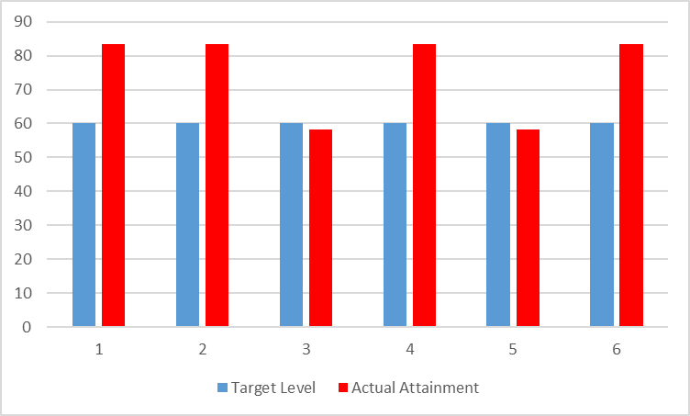
SUBJECT NAME: Mechanics Of Structure
BRANCH/ DEPARTMENT: Civil
COLLEGE NAME: S B PATIL COLLEGE OF ENGINEERING, INDAPUR
COURSE OUTCOMES
CO1 | Analyze and design structural members subjected to tension, compression, torsion, bending and combined stresses using the fundamental concepts of stress, strain and elastic behavior of materials.
CO2 | To apply knowledge of mathematics, science, for engineering applications
CO3 | Ability to design a component to meet desired needs within realistic constraints of safety
CO4 | To understand the basics of material properties, stress and strain.
CO5 | Apply basic equation of simple torsion in designing of shafts and helical spring
CO6 | Understand the load transferring mechanism in beams and stress distribution due to shearing force and bending moment

Mapping of CO's and Tools :-
COs/Tools |  | Internal Assessment (20) | Theory Examination (100) | Internal Term Work/ Tutorial (25) | Practical Oral Examination (25/50) | Additional tool if any
CO1 | Analyze and design structural members subjected to tension, compression, torsion, bending and combined stresses using the fundamental concepts of stress, strain and elastic behavior of materials. | Y | Y | Y |  | _
CO2 | To apply knowledge of mathematics, science, for engineering applications | Y | Y | Y
CO3 | Ability to design a component to meet desired needs within realistic constraints of safety |  | Y | Y
CO4 | To understand the basics of material properties, stress and strain. | Y | Y | Y
CO5 | Apply basic equation of simple torsion in designing of shafts and helical spring |  | Y | Y
CO6 | Understand the load transferring mechanism in beams and stress distribution due to shearing force and bending moment | Y | Y | Y

SrNO | Student Name | Internal Assessment (20) | Theory Examination (100) | Internal Term Work/ Tutorial (25) | Practical Oral Examination (25/50) | Additional tool if any
S19075001 | BANSODE ABHIJIT PRAKASH | 18 | 53 |  | 35
S19075002 | BASATE ONKAR SANTOSH | 19 | 68 |  | 35
S19075003 | BHALERAV AKSHAY SAMBHAJI | 18 | 93 |  | 35
S19075004 | BHISE ROHIT NANA | 15 | 74 |  | 35
S19075005 | BORADE YASHRAJ MOHAN | 18 | 72 |  | 41
S19075006 | CHAVAN PRASAD RAMLING | 17 | 61 |  | 35
S19075007 | CHAVAN ROHIT NAVANATH | 17 | 63 |  | 41
S19075008 | CHIKANE VISHAL SHANKAR | 16 | 81 |  | 39
S19075009 | CHOUDHARI SAMADHAN SHASHIKANT | 14 | 63 |  | 39
S19075011 | DEOKAR OMKAR HANUMANT | 15 | 77 |  | 35
S19075012 | DEOKATE HANUMANT NARAYAN | 19 | 63 |  | 42
S19075013 | DESHMUKH AKASH GORAKH | 15 | 67 |  | 38
S19075015 | DHOLE RUSHIKESH POPAT | 17 | 90 |  | 40
S19075016 | DONGARE YOGIRAJ ANNA | 17 | 62 |  | 35
S19075017 | GAIKWAD MAYURI RAVSAHEB | 18 | 70 |  | 43
S19075018 | GAME SATYAJIT SANTOSH | 16 | 74 |  | 38
S19075019 | GARDADE NIKHIL RAMHARI | 15 | 49 |  | 35
S19075020 | GARDIK SHUBHAM DATTATRAY | 18 | 80 |  | 40
S19075022 | GOSAVI AKASH ANNA | 15 | 84 |  | 41
S19075023 | JADHAV ONKAR DATTATRAYA | 15 | 65 |  | 40
S19075024 | JADHAV PRATHAMESH NANDKUMAR | 15 | 65 |  | 35
S19075025 | JADHAV SANKET SANTOSH | 17 | 51 |  | 35
S19075026 | JAGTAP AKSHAY SIDDHESHWAR | 18 | 68 |  | 39
S19075027 | JAGTAP ROHAN CHANDRAKANT | 17 | 78 |  | 39
S19075028 | JALAN SUDARSHAN VIKAS | 17 | 65 |  | 41
S19075029 | JANJIRE SURAJ SHOBHACHAND | 16 | 64 |  | 37
S19075030 | KADAM TANMAY ANIL | 15 | 84 |  | 35
S19075031 | KALE SAMADHAN HANAMANT | 18 | 50 |  | 36
S19075032 | KAMBLE ANURAG BAPU | 18 | 70 |  | 37
S19075033 | KARANDE SANGRAM KAILAS | 18 | 61 |  | 41
S19075034 | KARE SOURABH BAJRANG | 18 | 79 |  | 42
S19075035 | KAZI AMAN MAJJID | 17 | 67 |  | 35
S19075036 | KHARAT SHAHAJI BABAN | 15 | 67 |  | 42
S19075037 | KHATAKE PRADNYA PRAKASH | 18 | 81 |  | 42
S19075038 | KHATAKE SARITA SAMADHAN | 17 | 62 |  | 43
S19075039 | KODALKAR ROHIT VIJAY | 16 | 58 |  | 41
S19075040 | KSHIRSAGAR PRATHMESH BHAJANDAS | 17 | 63 |  | 39
S19075041 | KSHIRSAGAR SHANKAR VITTHAL | 14 | 53 |  | 35
S19075042 | KUMBHAR KRISHNA MADHUKAR | 15 | 21 |  | 35
S19075043 | MANE JAY VILAS | 19 | 71 |  | 36
S19075044 | MANE MANGESH KASHINATH | 15 | 75 |  | 35
S19075045 | MOHITE MANAL HANUMANT | 17 | 75 |  | 40
S19075046 | NAGARE GANRAJ JAYSING | 17 | 80 |  | 38
S19075047 | NAGARKAR AKASH NAGNATH | 18 | 66 |  | 35
S19075048 | NALAWADE NIKHIL NARAYAN | 16 | 66 |  | 36
S19075049 | NIMBALKAR SHIVARAJ SURYAKANT | 15 | 59 |  | 36
S19075050 | PARBAT SHIVPRASAD BALASAHEB | 18 | 64 |  | 38
S19075051 | PATHAN AMAN MUNIRKHAN | 6 | 53 |  | 35
S19075052 | PATIL PRAVIN HARISHCHANDRA | 15 | 70 |  | 35
S19075053 | PATIL TUSHAR MANIKRAO | 15 | 78 |  | 36
S19075054 | PAWAR ANIL BHAUSAHEB | 17 | 55 |  | 36
S19075055 | PAWAR SHUBHAM SOMESHWAR | 18 | 76 |  | 35
S19075056 | PUJARI MALAKARSIDHA CHNDRAKANT | 17 | 59 |  | 38
S19075057 | RANDIVE JAY SANJAY | 17 | 61 |  | 36
S19075058 | RUPANVAR PRATIKSHA BABAN | 16 | 96 |  | 43
S19075059 | SABALE DATTATRAY RAMDAS | 15 | 22 |  | 36
S19075060 | SARGAR SHASHIKANT NARAYAN | 18 | 69 |  | 38
S19075061 | SATAV KARAN RAVINDRA | 18 | 49 |  | 36
S19075062 | SHAIKH AMAN ABDUL ABDURAJJK | 18 | 66 |  | 36
S19075063 | SHAIKH MIJAN KAMAL | 16 | 63 |  | 39
S19075064 | SHINDE CHITRAGANDHA KRUSHNADEV | 15 | 72 |  | 40
S19075065 | SHIVRAJ NIVRUTTI SHIRKE | 18 | 56 |  | 35
S19075066 | SONAVANE HANAMANT NANASO | 16 | 64 |  | 40
S19075067 | SURVASE ANIKET BALASAHEB | 15 | 57 |  | 35
S19075068 | SURVASE KISHOR PARMESHWAR | 15 | 81 |  | 41
S19075069 | SWAMI SHRADDHA RAJKUMAR | 17 | 75 |  | 43
S19075070 | TAKMOGE VISHAL SUBHASH | 18 | 60 |  | 40
S19075071 | TARANGE AMOL MAHADEV | 17 | 58 |  | 37
S19075072 | TARANGE MAYUR CHANDRKANT | 17 | 54 |  | 38
S190750073 | VIJAYSINH VISHWAS MOREPATIL | 16 | 73 |  | 36
S190750074 | VYAVAHARE AKSHAY HARIDAS | 15 | 72 |  | 33
S190750075 | WAGHMODE VIJAY BAJARANG | 18 | 66 |  | 34
S190750076 | YADHAV SHISHIKANT RAVINDRA | 18 | 68 |  | 39
Total Marks Obtained |  | 1204 | 4845 |  | 2755
Total Marks |  | 1480 | 7400 |  | 3700
Percentage |  | 81.35 | 65.47 |  | 74.45
Marks |  | 3 | 2 |  | 2

 | Range | Marks
 | 0-25 | 0
 | 25-50 | 1
 | 50-75 | 2
 | 75-100 | 3

EVALUATION: |  | 0.1 | 1 | 0.6 | 0.4

Sr.No. | COs | Internal Assessment (20) | Theory Examination (100) | Internal Term Work/ Tutorial (25) | Practical Oral Examination (25/50) | Additional tool if any | Total | Maximum Marks | Percentage
1 | Analyze and design structural members subjected to tension, compression, torsion, bending and combined stresses using the fundamental concepts of stress, strain and elastic behavior of materials. | 25% (3) | 50% (2) |  | 25% (3) |  | 2.5 | 3 | 83.33
2 | To apply knowledge of mathematics, science, for engineering applications | 25% (3) | 50% (2) |  | 25% (3) |  | 2.5 | 3 | 83.33
3 | Ability to design a component to meet desired needs within realistic constraints of safety |  | 50% (2) |  | 25% (3) |  | 1.75 | 3 | 58.33
4 | To understand the basics of material properties, stress and strain. | 25% (3) | 50% (2) |  | 25% (3) |  | 2.5 | 3 | 83.33
5 | Apply basic equation of simple torsion in designing of shafts and helical spring |  | 50% (2) |  | 25% (3) |  | 1.75 | 3 | 58.33
6 | Understand the load transferring mechanism in beams and stress distribution due to shearing force and bending moment | 25% (3) | 50% (2) |  | 25% (3) |  | 2.5 | 3 | 83.33

 | Courses Having Internal Assessment, Theory Examination, Internal Term Work / Tutorial, Practical Oral Examination |  | Courses Having Internal Assessment, Theory Examination, Internal Term Work / Tutorial |  | Courses Having Internal Term Work / Tutorial, Practical Oral Examination |  | Courses Having Internal Term Work / Tutorial

 | Tool | Weightage | Tool | Weightage | Tool | Weightage | Tool | Weightage
 | Internal Assessment (20) | 10% | Internal Assessment (20) | 25% | Internal Assessment (20) | _ | Internal Assessment (20) | _
 | Theory Examination (80) | 50% | Theory Examination (80) | 50% | Theory Examination (80) | _ | Theory Examination (80) | _
 | Internal Term Work / Tutorial (25) | 20% | Internal Term Work / Tutorial (25) | 25% | Internal Term Work / Tutorial (25) | 30% | Internal Term Work / Tutorial (25) | 100%
 | Practical Oral Examination (25/50) | 20% | Practical Oral Examination (25/50) | _ | Practical Oral Examination (25/50) | 70% | Practical Oral Examination (25/50) | _

 | Attainment of CO
 | CO's | Target Level | Actual Attainment Level | Co Attained/ Not Attained | Gap in Percentage | Action Praposed to bridge the gap
 | Analyze and design structural members subjected to tension, compression, torsion, bending and combined stresses using the fundamental concepts of stress, strain and elastic behavior of materials. | 60 | 83.33 | Co Attained | 23.33 | NA
 | To apply knowledge of mathematics, science, for engineering applications | 60 | 83.33 | Co Attained | 23.33 | NA
 | Ability to design a component to meet desired needs within realistic constraints of safety | 60 | 58.33 | Not Attained | -1.67 | NA
 | To understand the basics of material properties, stress and strain. | 60 | 83.33 | Co Attained | 23.33 | NA
 | Apply basic equation of simple torsion in designing of shafts and helical spring | 60 | 58.33 | Not Attained | -1.67 | NA
 | Understand the load transferring mechanism in beams and stress distribution due to shearing force and bending moment | 60 | 83.33 | Co Attained | 23.33 | NA

 | COs | Target Level | Actual Attainment Level
 | CO1 | 60 | 83.33
 | CO2 | 60 | 83.33
 | CO3 | 60 | 58.33
 | CO4 | 60 | 83.33
 | CO5 | 60 | 58.33
 | CO6 | 60 | 83.33

Fluid Mech
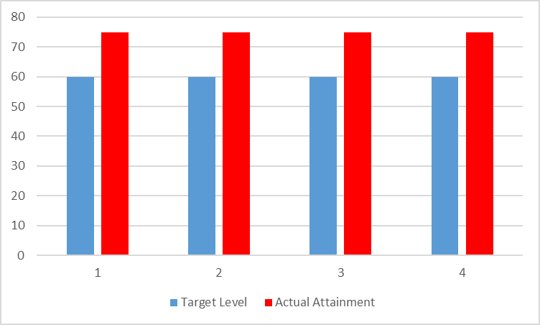
SUBJECT NAME: Fluid Mechanics
BRANCH/ DEPARTMENT: Civil
COLLEGE NAME: S B PATIL COLLEGE OF ENGINEERING, INDAPUR
COURSE OUTCOMES
CO1 | Understand the concept of laminar and turbulent flow and flow through pipes and its application to determine major and minor losses and analyze pipe network using Hardy Cross method
CO2 | Understand the concept of Dimensional analysis using Buckingham’s π theorem, Similarity & Model Laws and boundary layer theory and apply it for solving practical problems of fluid flow.
CO3 | Understand the use of Fluid Properties, concept of Fluid statics, basic equation of Hydrostatics, measurement of fluid pressure, buoyancy & floatation and its application for solving practical problems.
CO4 | Understand the concept of fluid kinematics with reference to Continuity equation and fluid dynamics with reference to Modified Bernoulli's equation and its application to practical problems of fluid flow

Mapping of CO's and Tools :-
COs/Tools |  | Internal Assessment (20) | Theory Examination (100) | Internal Term Work/ Tutorial (25) | Practical Oral Examination (25/50) | Additional tool if any
CO1 | Understand the concept of laminar and turbulent flow and flow through pipes and its application to determine major and minor losses and analyze pipe network using Hardy Cross method | Y | Y |  | Y | _
CO2 | Understand the concept of Dimensional analysis using Buckingham’s π theorem, Similarity & Model Laws and boundary layer theory and apply it for solving practical problems of fluid flow. | Y | Y |  | Y
CO3 | Understand the use of Fluid Properties, concept of Fluid statics, basic equation of Hydrostatics, measurement of fluid pressure, buoyancy & floatation and its application for solving practical problems. | Y | Y |  | Y
CO4 | Understand the concept of fluid kinematics with reference to Continuity equation and fluid dynamics with reference to Modified Bernoulli's equation and its application to practical problems of fluid flow | Y | Y |  | Y

SrNO | Student Name | Internal Assessment (20) | Theory Examination (100) | Practical Oral Examination (50) | Additional tool if any
S19075001 | BANSODE ABHIJIT PRAKASH | 19 | 55 | 34
S19075002 | BASATE ONKAR SANTOSH | 18 | 69 | 34
S19075003 | BHALERAV AKSHAY SAMBHAJI | 18 | 78 | 35
S19075004 | BHISE ROHIT NANA | 18 | 71 | 35
S19075005 | BORADE YASHRAJ MOHAN | 18 | 61 | 39
S19075006 | CHAVAN PRASAD RAMLING | 17 | 52 | 35
S19075007 | CHAVAN ROHIT NAVANATH | 16 | 71 | 39
S19075008 | CHIKANE VISHAL SHANKAR | 13 | 74 | 38
S19075009 | CHOUDHARI SAMADHAN SHASHIKANT | 14 | 75 | 40
S19075011 | DEOKAR OMKAR HANUMANT | 16 | 71 | 35
S19075012 | DEOKATE HANUMANT NARAYAN | 19 | 72 | 40
S19075013 | DESHMUKH AKASH GORAKH | 15 | 66 | 38
S19075015 | DHOLE RUSHIKESH POPAT | 17 | 79 | 38
S19075016 | DONGARE YOGIRAJ ANNA | 17 | 68 | 35
S19075017 | GAIKWAD MAYURI RAVSAHEB | 18 | 78 | 41
S19075018 | GAME SATYAJIT SANTOSH | 16 | 72 | 34
S19075019 | GARDADE NIKHIL RAMHARI | 15 | 51 | 34
S19075020 | GARDIK SHUBHAM DATTATRAY | 18 | 71 | 40
S19075022 | GOSAVI AKASH ANNA | 17 | 68 | 41
S19075023 | JADHAV ONKAR DATTATRAYA | 15 | 73 | 38
S19075024 | JADHAV PRATHAMESH NANDKUMAR | 17 | 62 | 35
S19075025 | JADHAV SANKET SANTOSH | 17 | 57 | 35
S19075026 | JAGTAP AKSHAY SIDDHESHWAR | 18 | 70 | 39
S19075027 | JAGTAP ROHAN CHANDRAKANT | 17 | 87 | 40
S19075028 | JALAN SUDARSHAN VIKAS | 17 | 66 | 40
S19075029 | JANJIRE SURAJ SHOBHACHAND | 16 | 73 | 36
S19075030 | KADAM TANMAY ANIL | 16 | 80 | 35
S19075031 | KALE SAMADHAN HANAMANT | 18 | 64 | 35
S19075032 | KAMBLE ANURAG BAPU | 18 | 60 | 35
S19075033 | KARANDE SANGRAM KAILAS | 18 | 64 | 42
S19075034 | KARE SOURABH BAJRANG | 18 | 78 | 42
S19075035 | KAZI AMAN MAJJID | 17 | 64 | 35
S19075036 | KHARAT SHAHAJI BABAN | 15 | 70 | 41
S19075037 | KHATAKE PRADNYA PRAKASH | 18 | 75 | 43
S19075038 | KHATAKE SARITA SAMADHAN | 17 | 63 | 42
S19075039 | KODALKAR ROHIT VIJAY | 16 | 74 | 40
S19075040 | KSHIRSAGAR PRATHMESH BHAJANDAS | 16 | 74 | 35
S19075041 | KSHIRSAGAR SHANKAR VITTHAL | 19 | 62 | 35
S19075042 | KUMBHAR KRISHNA MADHUKAR | 15 | 73 | 36
S19075043 | MANE JAY VILAS | 19 | 74 | 39
S19075044 | MANE MANGESH KASHINATH | 15 | 66 | 35
S19075045 | MOHITE MANAL HANUMANT | 17 | 81 | 38
S19075046 | NAGARE GANRAJ JAYSING | 17 | 57 | 39
S19075047 | NAGARKAR AKASH NAGNATH | 18 | 77 | 35
S19075048 | NALAWADE NIKHIL NARAYAN | 16 | 70 | 37
S19075049 | NIMBALKAR SHIVARAJ SURYAKANT | 15 | 66 | 35
S19075050 | PARBAT SHIVPRASAD BALASAHEB | 18 | 59 | 39
S19075051 | PATHAN AMAN MUNIRKHAN | 16 | 51 | 35
S19075052 | PATIL PRAVIN HARISHCHANDRA | 15 | 79 | 35
S19075053 | PATIL TUSHAR MANIKRAO | 15 | 74 | 37
S19075054 | PAWAR ANIL BHAUSAHEB | 17 | 73 | 36
S19075055 | PAWAR SHUBHAM SOMESHWAR | 18 | 80 | 35
S19075056 | PUJARI MALAKARSIDHA CHNDRAKANT | 18 | 66 | 39
S19075057 | RANDIVE JAY SANJAY | 17 | 81 | 35
S19075058 | RUPANVAR PRATIKSHA BABAN | 19 | 91 | 43
S19075059 | SABALE DATTATRAY RAMDAS | 15 | 24 | 35
S19075060 | SARGAR SHASHIKANT NARAYAN | 18 | 66 | 37
S19075061 | SATAV KARAN RAVINDRA | 18 | 73 | 35
S19075062 | SHAIKH AMAN ABDUL ABDURAJJK | 18 | 74 | 36
S19075063 | SHAIKH MIJAN KAMAL | 16 | 68 | 38
S19075064 | SHINDE CHITRAGANDHA KRUSHNADEV | 15 | 73 | 42
S19075065 | SHIVRAJ NIVRUTTI SHIRKE | 18 | 66 | 35
S19075066 | SONAVANE HANAMANT NANASO | 16 | 75 | 38
S19075067 | SURVASE ANIKET BALASAHEB | 15 | 52 | 34
S19075068 | SURVASE KISHOR PARMESHWAR | 15 | 77 | 39
S19075069 | SWAMI SHRADDHA RAJKUMAR | 17 | 87 | 44
S19075070 | TAKMOGE VISHAL SUBHASH | 18 | 60 | 39
S19075071 | TARANGE AMOL MAHADEV | 17 | 62 | 36
S19075072 | TARANGE MAYUR CHANDRKANT | 17 | 64 | 40
S190750073 | VIJAYSINH VISHWAS MOREPATIL | 16 | 66 | 37
S190750074 | VYAVAHARE AKSHAY HARIDAS | 15 | 70 | 35
S190750075 | WAGHMODE VIJAY BAJARANG | 18 | 96 | 19
S190750076 | YADHAV SHISHIKANT RAVINDRA | 18 | 73 | 39
Total Marks Obtained |  | 1227 | 5062 | 2714
Total Marks |  | 1520 | 7600 | 3800
Percentage |  | 80.72 | 66.61 | 71.42
Marks |  | 3 | 1 | 2

 | Range | Marks
 | 50-60 | 0
 | 60-70 | 1
 | 70-80 | 2
 | 80 & Above | 3

EVALUATION:

Sr.No. | COs | Internal Assessment (20) | Theory Examination (100) | Internal Term Work/ Tutorial (25) | Practical Oral Examination (25/50) | Additional tool if any | Total | Maximum Marks | Percentage
1 | Understand the concept of laminar and turbulent flow and flow through pipes and its application to determine major and minor losses and analyze pipe network using Hardy Cross method | 25% (3) | 50% (1) |  | 50% (2) |  | 2.25 | 3 | 75
2 | Understand the concept of Dimensional analysis using Buckingham’s π theorem, Similarity & Model Laws and boundary layer theory and apply it for solving practical problems of fluid flow. | 25% (3) | 50% (1) |  | 25% (2) |  | 2.25 | 3 | 75.00
3 | Understand the use of Fluid Properties, concept of Fluid statics, basic equation of Hydrostatics, measurement of fluid pressure, buoyancy & floatation and its application for solving practical problems. | 25% (3) | 50% (1) |  | 25% (2) |  | 2.25 | 3 | 75.00
4 | Understand the concept of fluid kinematics with reference to Continuity equation and fluid dynamics with reference to Modified Bernoulli's equation and its application to practical problems of fluid flow | 25% (3) | 50% (1) |  | 25% (2) |  | 2.25 | 3 | 75.00

 | Courses Having Internal Assessment, Theory Examination, Internal Term Work / Tutorial, Practical Oral Examination |  | Courses Having Internal Assessment, Theory Examination, Internal Term Work / Tutorial |  | Courses Having Internal Term Work / Tutorial, Practical Oral Examination |  | Courses Having Internal Term Work / Tutorial

 | Tool | Weightage | Tool | Weightage | Tool | Weightage | Tool | Weightage
 | Internal Assessment (20) | 10% | Internal Assessment (20) | 25% | Internal Assessment (20) | _ | Internal Assessment (20) | _
 | Theory Examination (80) | 50% | Theory Examination (80) | 50% | Theory Examination (80) | _ | Theory Examination (80) | _
 | Internal Term Work / Tutorial (25) | 20% | Internal Term Work / Tutorial (25) | - | Internal Term Work / Tutorial (25) | 30% | Internal Term Work / Tutorial (25) | 100%
 | Practical Oral Examination (25/50) | 20% | Practical Oral Examination (25/50) | 25% | Practical Oral Examination (25/50) | 70% | Practical Oral Examination (25/50) | _

 | Attainment of CO
 | CO's | Target Level | Actual Attainment Level | Co Attained/ Not Attained | Gap in Percentage | Action Praposed to bridge the gap
 | Understand the concept of laminar and turbulent flow and flow through pipes and its application to determine major and minor losses and analyze pipe network using Hardy Cross method | 60 | 75.00 | Co Attained | 15.00 | NA
 | Understand the concept of Dimensional analysis using Buckingham’s π theorem, Similarity & Model Laws and boundary layer theory and apply it for solving practical problems of fluid flow. | 60 | 75.00 | Co Attained | 15.00 | NA
 | Understand the use of Fluid Properties, concept of Fluid statics, basic equation of Hydrostatics, measurement of fluid pressure, buoyancy & floatation and its application for solving practical problems. | 60 | 75.00 | CO Attained | 15.00 | NA
 | Understand the concept of fluid kinematics with reference to Continuity equation and fluid dynamics with reference to Modified Bernoulli's equation and its application to practical problems of fluid flow | 60 | 75.00 | CO Attained | 15.00 | NA

 | COs | Target Level | Actual Attainment Level
 | CO1 | 60 | 75.00
 | CO2 | 60 | 75.00
 | CO3 | 60 | 75.00
 | CO4 | 60 | 75.00

EG
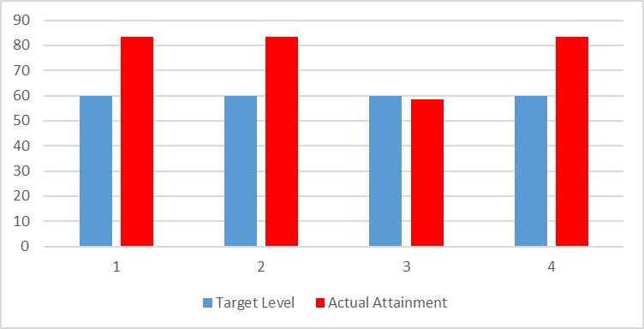
SUBJECT NAME: Engineering Geology
BRANCH/ DEPARTMENT: Civil
COLLEGE NAME: S B PATIL COLLEGE OF ENGINEERING, INDAPUR
COURSE OUTCOMES
CO1 | explain about the basic concepts of engineering geology and vaious rocks and minerals both in labs and on the fields.
CO2 | explorint the importance of mass wasting processes and various tectonic processes that hampers the design of civil engineering projects.
CO3 | recognize effect of plate tectonics structural geology and their significance.
CO4 | explain geological hazards and importance of groumd water and common building stones.

Mapping of CO's and Tools :-
COs/Tools |  | Internal Assessment (20) | Theory Examination (100) | Internal Term Work/ Tutorial (25) | Practical Oral Examination (25/50) | Additional tool if any
CO1 | explain about the basic concepts of engineering geology and vaious rocks and minerals both in labs and on the fields. | Y | Y | Y |  | _
CO2 | explorint the importance of mass wasting processes and various tectonic processes that hampers the design of civil engineering projects. | Y | Y | Y
CO3 | recognize effect of plate tectonics structural geology and their significance. |  | Y | Y
CO4 | explain geological hazards and importance of groumd water and common building stones. | Y | Y | Y

SrNO | Student Name | Internal Assessment (20) | Theory Examination (100) | Internal Term Work/ Tutorial (25) | Practical Oral Examination (25/50) | Additional tool if any
S19075001 | BANSODE ABHIJIT PRAKASH | 17 | 50 | 20
S19075002 | BASATE ONKAR SANTOSH | 16 | 74 | 18
S19075003 | BHALERAV AKSHAY SAMBHAJI | 13 | 62 | 18
S19075004 | BHISE ROHIT NANA | 18 | 63 | 18
S19075005 | BORADE YASHRAJ MOHAN | 18 | 69 | 20
S19075006 | CHAVAN PRASAD RAMLING | 15 | 67 | 18
S19075007 | CHAVAN ROHIT NAVANATH | 16 | 95 | 20
S19075008 | CHIKANE VISHAL SHANKAR | 16 | 95 | 20
S19075009 | CHOUDHARI SAMADHAN SHASHIKANT | 15 | 68 | 18
S19075011 | DEOKAR OMKAR HANUMANT | 16 | 78 | 20
S19075012 | DEOKATE HANUMANT NARAYAN | 16 | 65 | 21
S19075013 | DESHMUKH AKASH GORAKH | 16 | 65 | 18
S19075015 | DHOLE RUSHIKESH POPAT | 18 | 65 | 20
S19075016 | DONGARE YOGIRAJ ANNA | 17 | 73 | 18
S19075017 | GAIKWAD MAYURI RAVSAHEB | 18 | 78 | 21
S19075018 | GAME SATYAJIT SANTOSH | 16 | 93 | 20
S19075019 | GARDADE NIKHIL RAMHARI | 15 | 75 | 20
S19075020 | GARDIK SHUBHAM DATTATRAY | 18 | 68 | 17
S19075022 | GOSAVI AKASH ANNA | 17 | 58 | 21
S19075023 | JADHAV ONKAR DATTATRAYA | 15 | 66 | 21
S19075024 | JADHAV PRATHAMESH NANDKUMAR | 17 | 80 | 20
S19075025 | JADHAV SANKET SANTOSH | 17 | 62 | 18
S19075026 | JAGTAP AKSHAY SIDDHESHWAR | 18 | 68 | 19
S19075027 | JAGTAP ROHAN CHANDRAKANT | 17 | 96 | 20
S19075028 | JALAN SUDARSHAN VIKAS | 17 | 59 | 20
S19075029 | JANJIRE SURAJ SHOBHACHAND | 16 | 69 | 18
S19075030 | KADAM TANMAY ANIL | 16 | 64 | 18
S19075031 | KALE SAMADHAN HANAMANT | 18 | 60 | 18
S19075032 | KAMBLE ANURAG BAPU | 18 | 57 | 19
S19075033 | KARANDE SANGRAM KAILAS | 18 | 78 | 22
S19075034 | KARE SOURABH BAJRANG | 18 | 85 | 20
S19075035 | KAZI AMAN MAJJID | 17 | 75 | 18
S19075036 | KHARAT SHAHAJI BABAN | 15 | 71 | 22
S19075037 | KHATAKE PRADNYA PRAKASH | 18 | 88 | 22
S19075038 | KHATAKE SARITA SAMADHAN | 17 | 54 | 22
S19075039 | KODALKAR ROHIT VIJAY | 13 | 82 | 21
S19075040 | KSHIRSAGAR PRATHMESH BHAJANDAS | 16 | 81 | 18
S19075041 | KSHIRSAGAR SHANKAR VITTHAL | 19 | 66 | 18
S19075042 | KUMBHAR KRISHNA MADHUKAR | 15 | 56 | 18
S19075043 | MANE JAY VILAS | 19 | 69 | 20
S19075044 | MANE MANGESH KASHINATH | 16 | 64 | 18
S19075045 | MOHITE MANAL HANUMANT | 17 | 69 | 20
S19075046 | NAGARE GANRAJ JAYSING | 17 | 61 | 18
S19075047 | NAGARKAR AKASH NAGNATH | 18 | 58 | 19
S19075048 | NALAWADE NIKHIL NARAYAN | 16 | 67 | 19
S19075049 | NIMBALKAR SHIVARAJ SURYAKANT | 15 | 55 | 20
S19075050 | PARBAT SHIVPRASAD BALASAHEB | 18 | 73 | 18
S19075051 | PATHAN AMAN MUNIRKHAN | 16 | 55 | 19
S19075052 | PATIL PRAVIN HARISHCHANDRA | 15 | 71 | 19
S19075053 | PATIL TUSHAR MANIKRAO | 15 | 21 | 18
S19075054 | PAWAR ANIL BHAUSAHEB | 17 | 71 | 18
S19075055 | PAWAR SHUBHAM SOMESHWAR | 18 | 74 | 19
S19075056 | PUJARI MALAKARSIDHA CHNDRAKANT | 18 | 58 | 20
S19075057 | RANDIVE JAY SANJAY | 17 | 64 | 18
S19075058 | RUPANVAR PRATIKSHA BABAN | 16 | 87 | 22
S19075059 | SABALE DATTATRAY RAMDAS | 15 | 20 | 20
S19075060 | SARGAR SHASHIKANT NARAYAN | 18 | 65 | 20
S19075061 | SATAV KARAN RAVINDRA | 18 | 63 | 19
S19075062 | SHAIKH AMAN ABDUL ABDURAJJK | 17 | 77 | 19
S19075063 | SHAIKH MIJAN KAMAL | 16 | 61 | 19
S19075064 | SHINDE CHITRAGANDHA KRUSHNADEV | 15 | 63 | 20
S19075065 | SHIVRAJ NIVRUTTI SHIRKE | 18 | 50 | 20
S19075066 | SONAVANE HANAMANT NANASO | 16 | 67 | 20
S19075067 | SURVASE ANIKET BALASAHEB | 16 | 61 | 18
S19075068 | SURVASE KISHOR PARMESHWAR | 15 | 95 | 21
S19075069 | SWAMI SHRADDHA RAJKUMAR | 16 | 93 | 22
S19075070 | TAKMOGE VISHAL SUBHASH | 18 | 79 | 21
S19075071 | TARANGE AMOL MAHADEV | 17 | 60 | 20
S19075072 | TARANGE MAYUR CHANDRKANT | 17 | 61 | 19
S190750073 | VIJAYSINH VISHWAS MOREPATIL | 16 | 61 | 18
S190750074 | VYAVAHARE AKSHAY HARIDAS | 15 | 63 | 18
S190750075 | WAGHMODE VIJAY BAJARANG | 16 | 82 | 39
S190750076 | YADHAV SHISHIKANT RAVINDRA | 14 | 94 | 21
Total Marks Obtained |  | 1207 | 5010 | 1437
Total Marks |  | 1480 | 7400 | 1850
Percentage |  | 81.55 | 67.70 | 77.67
Marks |  | 3 | 2 | 3

 | Range | Marks
 | 0-25 | 0
 | 25-50 | 1
 | 50-75 | 2
 | 75-100 | 3

EVALUATION: |  | 0.1 | 1 | 0.6 | 0.4
Sr.No. | COs | Internal Assessment (20) | Theory Examination (100) | Internal Term Work/ Tutorial (25) | Practical Oral Examination (25/50) | Additional tool if any | Total | Maximum Marks | Percentage
1 | explain about the basic concepts of engineering geology and vaious rocks and minerals both in labs and on the fields. | 25% (3) | 50% (2) | 25% (3) |  |  | 2.5 | 3 | 83.33
2 | explorint the importance of mass wasting processes and various tectonic processes that hampers the design of civil engineering projects. | 25% (3) | 50% (2) | 25% (3) |  |  | 2.5 | 3 | 83.33
3 | recognize effect of plate tectonics structural geology and their significance. |  | 50% (2) | 25% (3) |  |  | 1.75 | 3 | 58.33
4 | explain geological hazards and importance of groumd water and common building stones. | 25% (3) | 50% (2) | 25% (3) |  |  | 2.5 | 3 | 83.33

 | Courses Having Internal Assessment, Theory Examination, Internal Term Work / Tutorial, Practical Oral Examination |  | Courses Having Internal Assessment, Theory Examination, Internal Term Work / Tutorial |  | Courses Having Internal Term Work / Tutorial, Practical Oral Examination |  | Courses Having Internal Term Work / Tutorial

 | Tool | Weightage | Tool | Weightage | Tool | Weightage | Tool | Weightage
 | Internal Assessment (20) | 10% | Internal Assessment (20) | 25% | Internal Assessment (20) | _ | Internal Assessment (20) | _
 | Theory Examination (80) | 50% | Theory Examination (80) | 50% | Theory Examination (80) | _ | Theory Examination (80) | _
 | Internal Term Work / Tutorial (25) | 20% | Internal Term Work / Tutorial (25) | 25% | Internal Term Work / Tutorial (25) | 30% | Internal Term Work / Tutorial (25) | 100%
 | Practical Oral Examination (25/50) | 20% | Practical Oral Examination (25/50) | _ | Practical Oral Examination (25/50) | 70% | Practical Oral Examination (25/50) | _

 | Attainment of CO
 | CO's | Target Level | Actual Attainment Level | Co Attained/ Not Attained | Gap in Percentage | Action Praposed to bridge the gap
 | explain about the basic concepts of engineering geology and vaious rocks and minerals both in labs and on the fields. | 60 | 83.33 | Co Attained | 23.33 | NA
 | explorint the importance of mass wasting processes and various tectonic processes that hampers the design of civil engineering projects. | 60 | 83.33 | Co Attained | 23.33 | NA
 | recognize effect of plate tectonics structural geology and their significance. | 60 | 58.33 | CO Not Attained | -1.67 | NA
 | explain geological hazards and importance of groumd water and common building stones. | 60 | 83.33 | Co Attained | 23.33 | NA

 | COs | Target Level | Actual Attainment Level
 | CO1 | 60 | 83.33
 | CO2 | 60 | 83.33
 | CO3 | 60 | 58.33
 | CO4 | 60 | 83.33

MIII
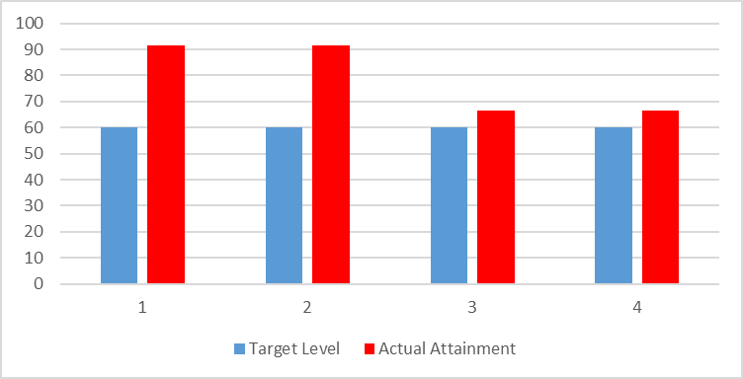
SUBJECT NAME: Engineering Mathematics III
BRANCH/ DEPARTMENT: Civil
COLLEGE NAME: S B PATIL COLLEGE OF ENGINEERING, INDAPUR
COURSE OUTCOMES
CO1 | "Solve Higher order linear differential equations and its applications to modelling and analysing Civil engineering problems such as bending of beams, whirling of shafts and mass spring systems. "
CO2 | Solve Higher order linear differential equations and its applications to modelling and analysing Civil engineering problems such as bending of beams, whirling of shafts and mass spring systems.
CO3 | Solve System of linear equations using direct & iterative numerical techniquesand develop solutions for ordinary differential equations using single step & multistep methods applied to hydraulics, geotechnics and structural systems.
CO4 | Solve Partial differential equations such as wave equation, one and two dimensional heat flow

Mapping of CO's and Tools :-
COs/Tools |  | Internal Assessment (20) | Theory Examination (100) | Internal Term Work/ Tutorial (25) | Practical Oral Examination (25/50) | Additional tool if any
CO1 | "Solve Higher order linear differential equations and its applications to modelling and analysing Civil engineering problems such as bending of beams, whirling of shafts and mass spring systems. " | Y | Y | Y |  | _
CO2 | Solve Higher order linear differential equations and its applications to modelling and analysing Civil engineering problems such as bending of beams, whirling of shafts and mass spring systems. | Y | Y | Y
CO3 | Solve System of linear equations using direct & iterative numerical techniquesand develop solutions for ordinary differential equations using single step & multistep methods applied to hydraulics, geotechnics and structural systems. |  | Y | Y
CO4 | Solve Partial differential equations such as wave equation, one and two dimensional heat flow |  | Y | Y

SrNO | Student Name | Internal Assessment (20) | Theory Examination (100) | Internal Term Work/ Tutorial (25) | Practical Oral Examination (25/50) | Additional tool if any
S19075001 | BANSODE ABHIJIT PRAKASH | 19 | 58 | 19
S19075002 | BASATE ONKAR SANTOSH | 18 | 89 | 18
S19075003 | BHALERAV AKSHAY SAMBHAJI | 18 | 88 | 19
S19075004 | BHISE ROHIT NANA | 18 | 78 | 18
S19075005 | BORADE YASHRAJ MOHAN | 18 | 90 | 19
S19075006 | CHAVAN PRASAD RAMLING | 17 | 58 | 18
S19075007 | CHAVAN ROHIT NAVANATH | 16 | 90 | 20
S19075008 | CHIKANE VISHAL SHANKAR | 13 | 71 | 19
S19075009 | CHOUDHARI SAMADHAN SHASHIKANT | 14 | 74 | 18
S19075011 | DEOKAR OMKAR HANUMANT | 16 | 71 | 19
S19075012 | DEOKATE HANUMANT NARAYAN | 19 | 90 | 21
S19075013 | DESHMUKH AKASH GORAKH | 15 | 65 | 18
S19075015 | DHOLE RUSHIKESH POPAT | 17 | 63 | 19
S19075016 | DONGARE YOGIRAJ ANNA | 17 | 20 | 18
S19075017 | GAIKWAD MAYURI RAVSAHEB | 18 | 85 | 22
S19075018 | GAME SATYAJIT SANTOSH | 16 | 88 | 19
S19075019 | GARDADE NIKHIL RAMHARI | 15 | 70 | 19
S19075020 | GARDIK SHUBHAM DATTATRAY | 18 | 94 | 17
S19075022 | GOSAVI AKASH ANNA | 17 | 97 | 20
S19075023 | JADHAV ONKAR DATTATRAYA | 15 | 69 | 20
S19075024 | JADHAV PRATHAMESH NANDKUMAR | 17 | 68 | 20
S19075025 | JADHAV SANKET SANTOSH | 17 | 79 | 18
S19075026 | JAGTAP AKSHAY SIDDHESHWAR | 18 | 76 | 18
S19075027 | JAGTAP ROHAN CHANDRAKANT | 17 | 92 | 19
S19075028 | JALAN SUDARSHAN VIKAS | 17 | 78 | 19
S19075029 | JANJIRE SURAJ SHOBHACHAND | 16 | 96 | 18
S19075030 | KADAM TANMAY ANIL | 16 | 92 | 19
S19075031 | KALE SAMADHAN HANAMANT | 18 | 61 | 18
S19075032 | KAMBLE ANURAG BAPU | 18 | 86 | 20
S19075033 | KARANDE SANGRAM KAILAS | 18 | 81 | 21
S19075034 | KARE SOURABH BAJRANG | 18 | 94 | 20
S19075035 | KAZI AMAN MAJJID | 17 | 62 | 19
S19075036 | KHARAT SHAHAJI BABAN | 15 | 88 | 21
S19075037 | KHATAKE PRADNYA PRAKASH | 18 | 89 | 22
S19075038 | KHATAKE SARITA SAMADHAN | 17 | 87 | 21
S19075039 | KODALKAR ROHIT VIJAY | 16 | 69 | 20
S19075040 | KSHIRSAGAR PRATHMESH BHAJANDAS | 16 | 97 | 19
S19075041 | KSHIRSAGAR SHANKAR VITTHAL | 19 | 62 | 19
S19075042 | KUMBHAR KRISHNA MADHUKAR | 15 | 49 | 19
S19075043 | MANE JAY VILAS | 19 | 76 | 19
S19075044 | MANE MANGESH KASHINATH | 15 | 93 | 18
S19075045 | MOHITE MANAL HANUMANT | 17 | 96 | 19
S19075046 | NAGARE GANRAJ JAYSING | 17 | 57 | 19
S19075047 | NAGARKAR AKASH NAGNATH | 18 | 95 | 18
S19075048 | NALAWADE NIKHIL NARAYAN | 16 | 79 | 19
S19075049 | NIMBALKAR SHIVARAJ SURYAKANT | 15 | 93 | 19
S19075050 | PARBAT SHIVPRASAD BALASAHEB | 18 | 59 | 18
S19075051 | PATHAN AMAN MUNIRKHAN | 16 | 55 | 18
S19075052 | PATIL PRAVIN HARISHCHANDRA | 15 | 82 | 19
S19075053 | PATIL TUSHAR MANIKRAO | 15 | 90 | 19
S19075054 | PAWAR ANIL BHAUSAHEB | 17 | 76 | 19
S19075055 | PAWAR SHUBHAM SOMESHWAR | 18 | 84 | 18
S19075056 | PUJARI MALAKARSIDHA CHNDRAKANT | 18 | 65 | 20
S19075057 | RANDIVE JAY SANJAY | 17 | 69 | 19
S19075058 | RUPANVAR PRATIKSHA BABAN | 19 | 97 | 22
S19075059 | SABALE DATTATRAY RAMDAS | 15 | 20 | 20
S19075060 | SARGAR SHASHIKANT NARAYAN | 18 | 96 | 20
S19075061 | SATAV KARAN RAVINDRA | 18 | 88 | 19
S19075062 | SHAIKH AMAN ABDUL ABDURAJJK | 18 | 87 | 18
S19075063 | SHAIKH MIJAN KAMAL | 16 | 58 | 19
S19075064 | SHINDE CHITRAGANDHA KRUSHNADEV | 15 | 81 | 20
S19075065 | SHIVRAJ NIVRUTTI SHIRKE | 18 | 72 | 19
S19075066 | SONAVANE HANAMANT NANASO | 16 | 72 | 19
S19075067 | SURVASE ANIKET BALASAHEB | 15 | 75 | 18
S19075068 | SURVASE KISHOR PARMESHWAR | 15 | 96 | 21
S19075069 | SWAMI SHRADDHA RAJKUMAR | 17 | 97 | 22
S19075070 | TAKMOGE VISHAL SUBHASH | 18 | 91 | 21
S19075071 | TARANGE AMOL MAHADEV | 17 | 62 | 19
S19075072 | TARANGE MAYUR CHANDRKANT | 17 | 89 | 20
S190750073 | VIJAYSINH VISHWAS MOREPATIL | 16 | 92 | 19
S190750074 | VYAVAHARE AKSHAY HARIDAS | 15 | 74 | 19
S190750075 | WAGHMODE VIJAY BAJARANG | 18 | 87 | 19
S190750076 | YADHAV SHISHIKANT RAVINDRA | 18 | 96 | 20
Total Marks Obtained |  | 1227 | 5713 | 1405
Total Marks |  | 1480 | 7400 | 1850
Percentage |  | 82.91 | 77.20 | 75.95
Marks |  | 3 | 3 | 3

 | Range | Marks
 | 0-25 | 0
 | 25-50 | 1
 | 50-75 | 2
 | 75 &above | 3

EVALUATION: |  | 0.1 | 1 | 0.6 | 0.4
Sr.No. | COs | Internal Assessment (20) | Theory Examination (100) | Internal Term Work/ Tutorial (25) | Practical Oral Examination (25/50) | Additional tool if any
 |  |  |  |  |  |  | Total | Maximum Marks | Percentage
1 | "Solve Higher order linear differential equations and its applications to modelling and analysing Civil engineering problems such as bending of beams, whirling of shafts and mass spring systems. " | 25% (3) | 50% (3) | 25% (3) |  |  | 3 | 3 | 100.00
2 | Solve Higher order linear differential equations and its applications to modelling and analysing Civil engineering problems such as bending of beams, whirling of shafts and mass spring systems. | 25% (3) | 50% (3) | 25% (3) |  |  | 3 | 3 | 100.00
3 | Solve System of linear equations using direct & iterative numerical techniquesand develop solutions for ordinary differential equations using single step & multistep methods applied to hydraulics, geotechnics and structural systems. |  | 50% (3) | 25% (3) |  |  | 2.25 | 3 | 75.00
4 | Solve Partial differential equations such as wave equation, one and two dimensional heat flow |  | 50% (3) | 25% (3) |  |  | 2.25 | 3 | 75.00

 | Courses Having Internal Assessment, Theory Examination, Internal Term Work / Tutorial, Practical Oral Examination |  | Courses Having Internal Assessment, Theory Examination, Internal Term Work / Tutorial |  | Courses Having Internal Term Work / Tutorial, Practical Oral Examination |  | Courses Having Internal Term Work / Tutorial

 | Tool | Weightage | Tool | Weightage | Tool | Weightage | Tool | Weightage
 | Internal Assessment (20) | 10% | Internal Assessment (20) | 25% | Internal Assessment (20) | _ | Internal Assessment (20) | _
 | Theory Examination (80) | 50% | Theory Examination (80) | 50% | Theory Examination (80) | _ | Theory Examination (80) | _
 | Internal Term Work / Tutorial (25) | 20% | Internal Term Work / Tutorial (25) | 25% | Internal Term Work / Tutorial (25) | 30% | Internal Term Work / Tutorial (25) | 100%
 | Practical Oral Examination (25/50) | 20% | Practical Oral Examination (25/50) | _ | Practical Oral Examination (25/50) | 70% | Practical Oral Examination (25/50) | _

 | Attainment of CO
 | CO's | Target Level | Actual Attainment Level | Co Attained/ Not Attained | Gap in Percentage | Action Praposed to bridge the gap
 | "Solve Higher order linear differential equations and its applications to modelling and analysing Civil engineering problems such as bending of beams, whirling of shafts and mass spring systems. " | 60 | 91.67 | Co Attained | 31.67 | NA
 | Solve Higher order linear differential equations and its applications to modelling and analysing Civil engineering problems such as bending of beams, whirling of shafts and mass spring systems. | 60 | 91.67 | Co Attained | 31.67 | NA
 | Solve System of linear equations using direct & iterative numerical techniquesand develop solutions for ordinary differential equations using single step & multistep methods applied to hydraulics, geotechnics and structural systems. | 60 | 66.67 | Co Attained | 6.67 | NA
 | Solve Partial differential equations such as wave equation, one and two dimensional heat flow | 60 | 66.67 | Co Attained | 6.67 | NA

 | COs | Target Level | Actual Attainment Level
 | CO1 | 60 | 91.67
 | CO2 | 60 | 91.67
 | CO3 | 60 | 66.67
 | CO4 | 60 | 66.67

GTE
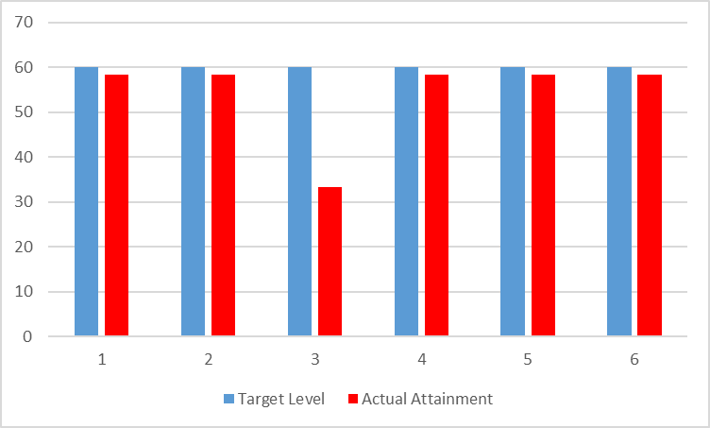
SUBJECT NAME: Geotechnical Engineerig
BRANCH/ DEPARTMENT: Civil
COLLEGE NAME: S B PATIL COLLEGE OF ENGINEERING, INDAPUR
COURSE OUTCOMES
CO1 | Identify and classify the soil based on the index properties and its formation process
CO2 | Explain permeability and seepage analysis of soil by construction of flow net.
CO3 | Illustrate the effect of compaction on soil and understand the basics of stress distribution.
CO4 | Express shear strength of soil and its measurement under various drainage conditions.
CO5 | Express shear strength of soil and its measurement under various drainage conditions.
CO6 | Analysis of stability of slopes for different types of soils.
Mapping of CO's and Tools :-
COs/Tools |  | Internal Assessment (20) | Theory Examination (100) | Internal Term Work/ Tutorial (25) | Practical Oral Examination (25/50) | Additional tool if any
CO1 | Identify and classify the soil based on the index properties and its formation process | Y | Y | Y |  | _
CO2 | Explain permeability and seepage analysis of soil by construction of flow net. | Y | Y | Y
CO3 | Illustrate the effect of compaction on soil and understand the basics of stress distribution. | Y | Y | Y
CO4 | Express shear strength of soil and its measurement under various drainage conditions. |  | Y | Y
CO5 | Express shear strength of soil and its measurement under various drainage conditions. | Y | Y | Y
CO6 | Analysis of stability of slopes for different types of soils. | Y | Y | Y

SrNO | Student Name | Internal Assessment (20) | Theory Examination (100) | Internal Term Work/ Tutorial (25) | Practical Oral Examination (25/50) | Additional tool if any
S19075001 | BANSODE ABHIJIT PRAKASH | 16 | 17 |  | AB
S19075002 | BASATE ONKAR SANTOSH | 15 | 41 |  | 38
S19075003 | BHALERAV AKSHAY SAMBHAJI | 14 | 26 |  | 24
S19075004 | BHISE ROHIT NANA | 13 | 41 |  | 38
S19075005 | BORADE YASHRAJ MOHAN | 18 | 40 |  | 40
S19075006 | CHAVAN PRASAD RAMLING | 12 | 20 |  | 25
S19075007 | CHAVAN ROHIT NAVANATH | 16 | 46 |  | 35
S19075008 | CHIKANE VISHAL SHANKAR | 16 | 40 |  | 35
S19075009 | CHOUDHARI SAMADHAN SHASHIKANT | 15 | 47 |  | 43
S19075011 | DEOKAR OMKAR HANUMANT | 15 | 45 |  | 28
S19075012 | DEOKATE HANUMANT NARAYAN | 16 | 27 |  | 35
S19075013 | DESHMUKH AKASH GORAKH | 15 | 35 |  | 35
S19075015 | DHOLE RUSHIKESH POPAT | 17 | 27 |  | 34
S19075016 | DONGARE YOGIRAJ ANNA | 17 | AB |  | AB
S19075017 | GAIKWAD MAYURI RAVSAHEB | 18 | 64 |  | 39
S19075018 | GAME SATYAJIT SANTOSH | 16 | 54 |  | 33
S19075019 | GARDADE NIKHIL RAMHARI | 15 | 26 |  | 25
S19075020 | GARDIK SHUBHAM DATTATRAY | 18 | 17 |  | AB
S19075022 | GOSAVI AKASH ANNA | 17 | 40 |  | 39
S19075023 | JADHAV ONKAR DATTATRAYA | 15 | 40 |  | 37
S19075024 | JADHAV PRATHAMESH NANDKUMAR | 17 | 40 |  | 35
S19075025 | JADHAV SANKET SANTOSH | 17 | 20 |  | 24
S19075026 | JAGTAP AKSHAY SIDDHESHWAR | 18 | 31 |  | 38
S19075027 | JAGTAP ROHAN CHANDRAKANT | 17 | 51 |  | 43
S19075028 | JALAN SUDARSHAN VIKAS | 17 | 63 |  | 42
S19075029 | JANJIRE SURAJ SHOBHACHAND | 16 | 25 |  | 38
S19075030 | KADAM TANMAY ANIL | 16 | 35 |  | 25
S19075031 | KALE SAMADHAN HANAMANT | 18 | 17 |  | 36
S19075032 | KAMBLE ANURAG BAPU | 18 | 25 |  | 39
S19075033 | KARANDE SANGRAM KAILAS | 18 | 40 |  | 40
S19075034 | KARE SOURABH BAJRANG | 18 | 55 |  | 44
S19075035 | KAZI AMAN MAJJID | 17 | 46 |  | 37
S19075036 | KHARAT SHAHAJI BABAN | 15 | 47 |  | 43
S19075037 | KHATAKE PRADNYA PRAKASH | 18 | 51 |  | 43
S19075038 | KHATAKE SARITA SAMADHAN | 17 | 48 |  | 44
S19075039 | KODALKAR ROHIT VIJAY | 16 | 40 |  | 38
S19075040 | KSHIRSAGAR PRATHMESH BHAJANDAS | 16 | 54 |  | 40
S19075041 | KSHIRSAGAR SHANKAR VITTHAL | 19 | 26 |  | 38
S19075042 | KUMBHAR KRISHNA MADHUKAR | 15 | 19 |  | 32
S19075043 | MANE JAY VILAS | 19 | 51 |  | 35
S19075044 | MANE MANGESH KASHINATH | 15 | 35 |  | 38
S19075045 | MOHITE MANAL HANUMANT | 17 | 45 |  | 36
S19075046 | NAGARE GANRAJ JAYSING | 17 | 41 |  | 43
S19075047 | NAGARKAR AKASH NAGNATH | 18 | 35 |  | 36
S19075048 | NALAWADE NIKHIL NARAYAN | 16 | 41 |  | 37
S19075049 | NIMBALKAR SHIVARAJ SURYAKANT | 15 | 27 |  | 25
S19075050 | PARBAT SHIVPRASAD BALASAHEB | 18 | 23 |  | 36
S19075051 | PATHAN AMAN MUNIRKHAN | 16 | 48 |  | 36
S19075052 | PATIL PRAVIN HARISHCHANDRA | 15 | 17 |  | AB
S19075053 | PATIL TUSHAR MANIKRAO | 15 | 27 |  | 35
S19075054 | PAWAR ANIL BHAUSAHEB | 17 | 30 |  | 38
S19075055 | PAWAR SHUBHAM SOMESHWAR | 18 | 23 |  | AB
S19075056 | PUJARI MALAKARSIDHA CHNDRAKANT | 18 | 46 |  | 39
S19075057 | RANDIVE JAY SANJAY | 17 | 44 |  | 36
S19075058 | RUPANVAR PRATIKSHA BABAN | 19 | 80 |  | 45
S19075059 | SABALE DATTATRAY RAMDAS | 15 | 18 |  | AB
S19075060 | SARGAR SHASHIKANT NARAYAN | 18 | 27 |  | 37
S19075061 | SATAV KARAN RAVINDRA | 18 | 43 |  | 40
S19075062 | SHAIKH AMAN ABDUL ABDURAJJK | 18 | 35 |  | 36
S19075063 | SHAIKH MIJAN KAMAL | 16 | 51 |  | 40
S19075064 | SHINDE CHITRAGANDHA KRUSHNADEV | 15 | 36 |  | 41
S19075065 | SHIVRAJ NIVRUTTI SHIRKE | 18 | 23 |  | 38
S19075066 | SONAVANE HANAMANT NANASO | 16 | 29 |  | 33
S19075067 | SURVASE ANIKET BALASAHEB | 15 | 19 |  | 24
S19075068 | SURVASE KISHOR PARMESHWAR | 15 | 51 |  | 43
S19075069 | SWAMI SHRADDHA RAJKUMAR | 17 | 40 |  | 44
S19075070 | TAKMOGE VISHAL SUBHASH | 15 | 60 |  | 45
S19075071 | TARANGE AMOL MAHADEV | 18 | 20 |  | 32
S19075072 | TARANGE MAYUR CHANDRKANT | 18 | 29 |  | 40
S190750073 | VIJAYSINH VISHWAS MOREPATIL | 17 | 32 |  | 40
S190750074 | VYAVAHARE AKSHAY HARIDAS | 16 | 40 |  | 33
S190750075 | WAGHMODE VIJAY BAJARANG | 13 | 28 |  | 24
S190750076 | YADHAV SHISHIKANT RAVINDRA | 17 | 53 |  | 43
Total Marks Obtained |  | 1202 | 2673 |  | 2450
Total Marks |  | 1480 | 7400 |  | 3700
Percentage |  | 79.07 | 36.12 |  | 66.21
Marks |  | 3 | 1 |  | 2

 | Range | Marks
 | 0-25 | 0
 | 25-50 | 1
 | 50-75 | 2
 | 75&Above | 3

EVALUATION: |  | 0.1 | 1 | 0.6 | 0.4
Sr.No. | COs | Internal Assessment (20) | Theory Examination (100) | Internal Term Work/ Tutorial (25) | Practical Oral Examination (25/50) | Additional tool if any | Total | Maximum Marks | Percentage
1 | Identify and classify the soil based on the index properties and its formation process | 25% (3) | 50% (1) |  | 25% (2) |  | 1.75 | 3 | 58.33
2 | Explain permeability and seepage analysis of soil by construction of flow net. | 25% (3) | 50% (1) |  | 25% (2) |  | 1.75 | 3 | 58.33
3 | Illustrate the effect of compaction on soil and understand the basics of stress distribution. |  | 50% (1) |  | 25% (2) |  | 1 | 3 | 33.33
4 | Express shear strength of soil and its measurement under various drainage conditions. | 25% (3) | 50% (1) |  | 25% (3) |  | 1.75 | 3 | 58.33
5 | Express shear strength of soil and its measurement under various drainage conditions. | 25% (3) | 50% (1) |  | 25% (2) |  | 1.75 | 3 | 58.33
6 | Analysis of stability of slopes for different types of soils. | 25% (3) | 50% (1) |  | 25% (2) |  | 1.75 | 3 | 58.33

 | Courses Having Internal Assessment, Theory Examination, Internal Term Work / Tutorial, Practical Oral Examination |  | Courses Having Internal Assessment, Theory Examination, Internal Term Work / Tutorial |  | Courses Having Internal Term Work / Tutorial, Practical Oral Examination |  | Courses Having Internal Term Work / Tutorial

 | Tool | Weightage | Tool | Weightage | Tool | Weightage | Tool | Weightage
 | Internal Assessment (20) | 10% | Internal Assessment (20) | 25% | Internal Assessment (20) | _ | Internal Assessment (20) | _
 | Theory Examination (80) | 50% | Theory Examination (80) | 50% | Theory Examination (80) | _ | Theory Examination (80) | _
 | Internal Term Work / Tutorial (25) | 20% | Internal Term Work / Tutorial (25) | 25% | Internal Term Work / Tutorial (25) | 30% | Internal Term Work / Tutorial (25) | 100%
 | Practical Oral Examination (25/50) | 20% | Practical Oral Examination (25/50) | _ | Practical Oral Examination (25/50) | 70% | Practical Oral Examination (25/50) | _

 | Attainment of CO
 | CO's | Target Level | Actual Attainment Level | Co Attained/ Not Attained | Gap in Percentage | Action Praposed to bridge the gap
 | Identify and classify the soil based on the index properties and its formation process | 60 | 58.33 | CO Not Attained | -1.67 | NA
 | Explain permeability and seepage analysis of soil by construction of flow net. | 60 | 58.33 | CO Not Attained | -1.67 | NA
 | Illustrate the effect of compaction on soil and understand the basics of stress distribution. | 60 | 33.33 | CO Not Attained | -26.67 | NA
 | Express shear strength of soil and its measurement under various drainage conditions. | 60 | 58.33 | CO Not Attained | -1.67 | NA
 | Express shear strength of soil and its measurement under various drainage conditions. | 60 | 58.33 | CO Not Attained | -1.67 | NA
 | Analysis of stability of slopes for different types of soils. | 60 | 58.33 | CO Not Attained | -1.67 | NA

 | COs | Target Level | Actual Attainment Level
 | CO1 | 60 | 58.33
 | CO2 | 60 | 58.33
 | CO3 | 60 | 33.33
 | CO4 | 60 | 58.33
 | CO5 | 60 | 58.33
 | CO6 | 60 | 58.33

SA-I
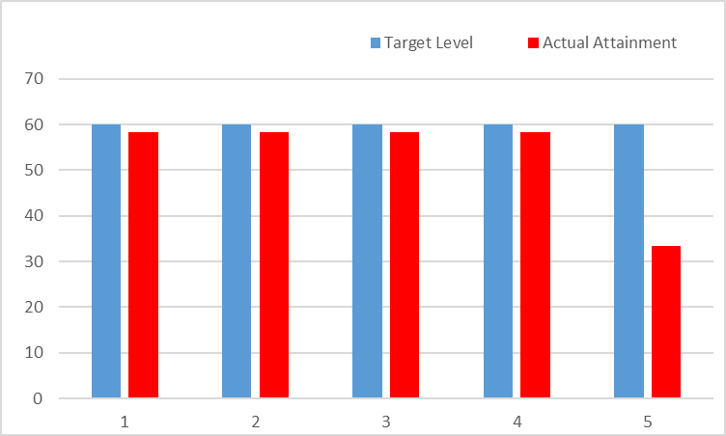
SUBJECT NAME: Strructural Analysis -I
BRANCH/ DEPARTMENT: Civil
COLLEGE NAME: S B PATIL COLLEGE OF ENGINEERING, INDAPUR
COURSE OUTCOMES
CO1 | Understand the basic concept of static and kinematic indeterminacy and analysis of indeterminate beams.
CO2 | Analyze redundant trusses and able to perform approximate analysis of multi-story multi-bay frames.
CO3 | Implement application of the slope deflection method to beams and portal frames.
CO4 | Determine response of beams and portal frames using structure approach of stiffness matrix method.
CO5 | Apply the concepts of plastic analysis in the analysis of steel structures.

Mapping of CO's and Tools :-
COs/Tools |  | Internal Assessment (20) | Theory Examination (100) | Internal Term Work/ Tutorial (25) | Practical Oral Examination (25/50) | Additional tool if any
CO1 | Understand the basic concept of static and kinematic indeterminacy and analysis of indeterminate beams. | Y | Y | Y |  | _
CO2 | Analyze redundant trusses and able to perform approximate analysis of multi-story multi-bay frames. | Y | Y | Y
CO3 | Implement application of the slope deflection method to beams and portal frames. | Y | Y | Y
CO4 | Determine response of beams and portal frames using structure approach of stiffness matrix method. | Y | Y | Y
CO5 | Apply the concepts of plastic analysis in the analysis of steel structures. |  | Y | Y

SrNO | Student Name | Internal Assessment (20) | Theory Examination (100) | Internal Term Work/ Tutorial (25) | Practical Oral Examination (25/50) | Additional tool if any
S19075001 | BANSODE ABHIJIT PRAKASH | 13 | 17 | 14
S19075002 | BASATE ONKAR SANTOSH | 18 | 40 | 21
S19075003 | BHALERAV AKSHAY SAMBHAJI | 13 | 23 | 14
S19075004 | BHISE ROHIT NANA | 18 | 40 | 20
S19075005 | BORADE YASHRAJ MOHAN | 18 | 40 | 21
S19075006 | CHAVAN PRASAD RAMLING | 17 | 41 | 14
S19075007 | CHAVAN ROHIT NAVANATH | 16 | 40 | 19
S19075008 | CHIKANE VISHAL SHANKAR | 13 | 57 | 19
S19075009 | CHOUDHARI SAMADHAN SHASHIKANT | 14 | 59 | 22
S19075011 | DEOKAR OMKAR HANUMANT | 16 | 68 | 18
S19075012 | DEOKATE HANUMANT NARAYAN | 14 | 25 | 19
S19075013 | DESHMUKH AKASH GORAKH | 14 | 31 | 19
S19075015 | DHOLE RUSHIKESH POPAT | 15 | 22 | 19
S19075016 | DONGARE YOGIRAJ ANNA | 17 | AB | AB
S19075017 | GAIKWAD MAYURI RAVSAHEB | 18 | 60 | 20
S19075018 | GAME SATYAJIT SANTOSH | 16 | 56 | 18
S19075019 | GARDADE NIKHIL RAMHARI | 14 | 17 | 14
S19075020 | GARDIK SHUBHAM DATTATRAY | 18 | 17 | 14
S19075022 | GOSAVI AKASH ANNA | 17 | 40 | 20
S19075023 | JADHAV ONKAR DATTATRAYA | 15 | 40 | 16
S19075024 | JADHAV PRATHAMESH NANDKUMAR | 17 | 46 | 15
S19075025 | JADHAV SANKET SANTOSH | 17 | 29 | 14
S19075026 | JAGTAP AKSHAY SIDDHESHWAR | 18 | 22 | 19
S19075027 | JAGTAP ROHAN CHANDRAKANT | 17 | 56 | 22
S19075028 | JALAN SUDARSHAN VIKAS | 17 | 47 | 23
S19075029 | JANJIRE SURAJ SHOBHACHAND | 16 | 34 | 19
S19075030 | KADAM TANMAY ANIL | 16 | 26 | 14
S19075031 | KALE SAMADHAN HANAMANT | 18 | 21 | 18
S19075032 | KAMBLE ANURAG BAPU | 18 | 27 | 19
S19075033 | KARANDE SANGRAM KAILAS | 18 | 40 | 20
S19075034 | KARE SOURABH BAJRANG | 18 | 46 | 23
S19075035 | KAZI AMAN MAJJID | 17 | 52 | 20
S19075036 | KHARAT SHAHAJI BABAN | 15 | 79 | 22
S19075037 | KHATAKE PRADNYA PRAKASH | 18 | 40 | 22
S19075038 | KHATAKE SARITA SAMADHAN | 17 | 51 | 22
S19075039 | KODALKAR ROHIT VIJAY | 16 | 51 | 21
S19075040 | KSHIRSAGAR PRATHMESH BHAJANDAS | 16 | 40 | 21
S19075041 | KSHIRSAGAR SHANKAR VITTHAL | 19 | 17 | 20
S19075042 | KUMBHAR KRISHNA MADHUKAR | 15 | 30 | 18
S19075043 | MANE JAY VILAS | 19 | 22 | 18
S19075044 | MANE MANGESH KASHINATH | 15 | 28 | 20
S19075045 | MOHITE MANAL HANUMANT | 17 | 20 | 19
S19075046 | NAGARE GANRAJ JAYSING | 17 | 41 | 22
S19075047 | NAGARKAR AKASH NAGNATH | 18 | 33 | 19
S19075048 | NALAWADE NIKHIL NARAYAN | 16 | 40 | 18
S19075049 | NIMBALKAR SHIVARAJ SURYAKANT | 15 | 24 | 15
S19075050 | PARBAT SHIVPRASAD BALASAHEB | 18 | 35 | 18
S19075051 | PATHAN AMAN MUNIRKHAN | 16 | 23 | 18
S19075052 | PATIL PRAVIN HARISHCHANDRA | 15 | 17 | 14
S19075053 | PATIL TUSHAR MANIKRAO | 15 | 26 | 18
S19075054 | PAWAR ANIL BHAUSAHEB | 17 | 21 | 20
S19075055 | PAWAR SHUBHAM SOMESHWAR | 18 | 25 | 14
S19075056 | PUJARI MALAKARSIDHA CHNDRAKANT | 18 | 46 | 20
S19075057 | RANDIVE JAY SANJAY | 17 | 29 | 15
S19075058 | RUPANVAR PRATIKSHA BABAN | 19 | 59 | 23
S19075059 | SABALE DATTATRAY RAMDAS | 15 | 17 | 14
S19075060 | SARGAR SHASHIKANT NARAYAN | 18 | 17 | 19
S19075061 | SATAV KARAN RAVINDRA | 18 | 49 | 22
S19075062 | SHAIKH AMAN ABDUL ABDURAJJK | 18 | 24 | 18
S19075063 | SHAIKH MIJAN KAMAL | 17 | 40 | 21
S19075064 | SHINDE CHITRAGANDHA KRUSHNADEV | 15 | 43 | 21
S19075065 | SHIVRAJ NIVRUTTI SHIRKE | 16 | 29 | 19
S19075066 | SONAVANE HANAMANT NANASO | 16 | 19 | 18
S19075067 | SURVASE ANIKET BALASAHEB | 15 | 20 | 14
S19075068 | SURVASE KISHOR PARMESHWAR | 17 | 41 | 23
S19075069 | SWAMI SHRADDHA RAJKUMAR | 17 | 61 | 22
S19075070 | TAKMOGE VISHAL SUBHASH | 18 | 65 | 23
S19075071 | TARANGE AMOL MAHADEV | 17 | 19 | 18
S19075072 | TARANGE MAYUR CHANDRKANT | 17 | 34 | 19
S190750073 | VIJAYSINH VISHWAS MOREPATIL | 16 | 35 | 22
S190750074 | VYAVAHARE AKSHAY HARIDAS | 15 | 30 | 15
S190750075 | WAGHMODE VIJAY BAJARANG | 18 | 17 | 14
S190750076 | YADHAV SHISHIKANT RAVINDRA | 15 | 44 | 22
Total Marks Obtained |  | 1205 | 2580 | 1348
Total Marks |  | 1480 | 7400 | 1850
Percentage |  | 81.41 | 34.86 | 72.86
Marks |  | 3 | 1 | 2

 | Range | Marks
 | 0-25 | 0
 | 25-50 | 1
 | 50-75 | 2
 | 75-100 | 3

EVALUATION: |  | 0.1 | 1 | 0.6 | 0.4
Sr.No. | COs | Internal Assessment (20) | Theory Examination (100) | Internal Term Work/ Tutorial (25) | Practical Oral Examination (25/50) | Additional tool if any | Total | Maximum Marks | Percentage
1 | Understand the basic concept of static and kinematic indeterminacy and analysis of indeterminate beams. | 25% (3) | 50% (1) | 25% (2) |  |  | 1.75 | 3 | 58.33
2 | Analyze redundant trusses and able to perform approximate analysis of multi-story multi-bay frames. | 25% (3) | 50% (1) | 25% (2) |  |  | 1.75 | 3 | 58.33
3 | Implement application of the slope deflection method to beams and portal frames. | 25% (3) | 50% (1) | 25% (2) |  |  | 1.75 | 3 | 58.33
4 | Determine response of beams and portal frames using structure approach of stiffness matrix method. | 25% (3) | 50% (1) | 25% (2) |  |  | 1.75 | 3 | 58.33
5 | Apply the concepts of plastic analysis in the analysis of steel structures. |  | 50% (1) | 25% (2) |  |  | 1 | 3 | 33.33

 | Courses Having Internal Assessment, Theory Examination, Internal Term Work / Tutorial, Practical Oral Examination |  | Courses Having Internal Assessment, Theory Examination, Internal Term Work / Tutorial |  | Courses Having Internal Term Work / Tutorial, Practical Oral Examination |  | Courses Having Internal Term Work / Tutorial

 | Tool | Weightage | Tool | Weightage | Tool | Weightage | Tool | Weightage
 | Internal Assessment (20) | 10% | Internal Assessment (20) | 25% | Internal Assessment (20) | _ | Internal Assessment (20) | _
 | Theory Examination (80) | 50% | Theory Examination (80) | 50% | Theory Examination (80) | _ | Theory Examination (80) | _
 | Internal Term Work / Tutorial (25) | 20% | Internal Term Work / Tutorial (25) | 25% | Internal Term Work / Tutorial (25) | 30% | Internal Term Work / Tutorial (25) | 100%
 | Practical Oral Examination (25/50) | 20% | Practical Oral Examination (25/50) | _ | Practical Oral Examination (25/50) | 70% | Practical Oral Examination (25/50) | _

 | Attainment of CO
 | CO's | Target Level | Actual Attainment Level | Co Attained/ Not Attained | Gap in Percentage | Action Praposed to bridge the gap
 | Understand the basic concept of static and kinematic indeterminacy and analysis of indeterminate beams. | 60 | 58.33 | CO Not Attained | -1.67 | NA
 | Analyze redundant trusses and able to perform approximate analysis of multi-story multi-bay frames. | 60 | 58.33 | CO Not Attained | -1.67 | NA
...
 | Determine response of beams and portal frames using structure approach of stiffness matrix method. | 60 | 58.33 | CO Not Attained | -1.67 | NA
 | Apply the concepts of plastic analysis in the analysis of steel structures. | 60 | 33.33 | CO Not Attained | -26.67 | NA

 | COs | Target Level | Actual Attainment Level
 | CO1 | 60 | 58.33
 | CO2 | 60 | 58.33
 | CO3 | 60 | 58.33
 | CO4 | 60 | 58.33
 | CO5 | 60 | 33.33

WSE
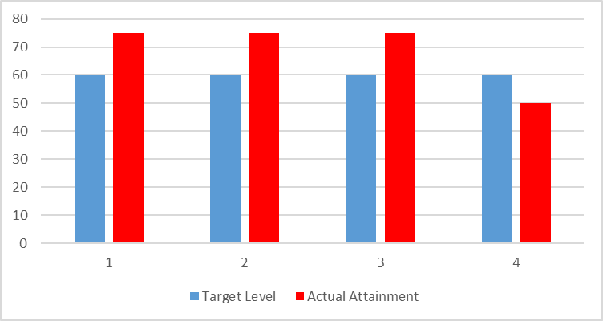
...
Attainment of CO
To discuss and demonstrate the principles of water treatment plant and layout. | 60 | 75.00 | Co Attained | 15.00 | NA
To inculcate and impart design principles and working of WTP components | 60 | 75.00 | Co Attained | 15.00 | NA
To interpret need of contemporary issues in water treatment. | 60 | 50.00 | CO Not Attained | -10.00 | NA

COs | Target Level | Actual Attainment Level
CO1 | 60 | 75.00
CO2 | 60 | 75.00
CO3 | 60 | 75.00
CO4 | 60 | 50.00

RSGIS
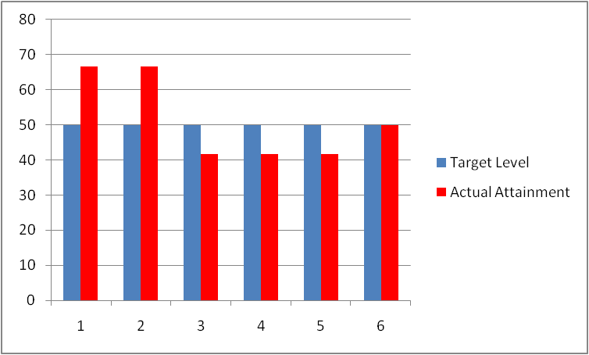
...
COs | Target Level | Actual Attainment Level
CO1 | 50 | 66.67
CO2 | 50 | 66.67
CO3 | 50 | 41.67
CO4 | 50 | 41.67
CO5 | 50 | 41.67
CO6 | 50 | 50

TRE
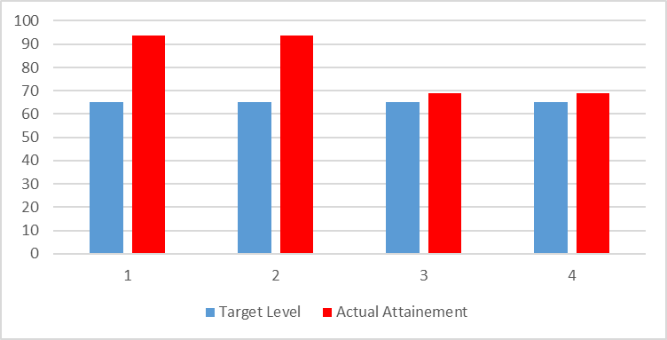
...
Attainment of CO
Understand concept of Geometric design of roads and various aspects of traffic engineering | 65 | 93.75 | Co Attained | 28.75 | NA
Design of road geometry with drainage system. | 65 | 68.75 | Co Attained | 3.75 | NA
students will get knowledge of highway materials and pavement design and its construction process. | 65 | 68.75 | Co Attained | 3.75 | NA
 |  | 0.00
COs | Target Level | Actual Attainment Level
CO1 | 65 | 93.75
CO2 | 65 | 93.75
CO3 | 65 | 68.75
CO4 | 65 | 68.75

SDIII
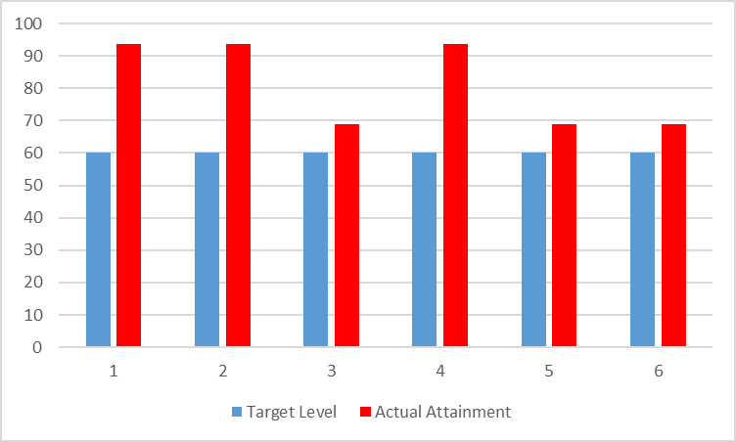
...
COs | Target Level | Actual Attainment Level
CO1 | 60 | 93.75
CO2 | 60 | 93.75
CO3 | 60 | 68.75
CO4 | 60 | 93.75
CO5 | 60 | 68.75
CO6 | 60 | 68.75

